Overview
To be updated
Page Name | Description
Way of Working & Team | The engagement methodology followed as well as the team.
High-Level Project Plan
Business Matrix | An overview of business processes and their interactions. Business areas are represented as facts and common attributes are the dimensions.
Data Source | An overview of the data ingested into the model along wit links to the third party data.
Source to Target Mapping
Reporting Requirements | The specific data, metrics, and information that must be collected, organized, and presented in reports. These requirements outline what needs to be reported and who the intended audience is.
Reporting Security
Logical Data Model | The Entity Relationship Diagram (ERD) Model provides a better understanding of the available tables and the relationship between these tables.
Architecture | The high level technical architecture identifies the respective sources and methadology implemented from extraction to reporting in Power BI. In addition to this the proposed process for developing a proof of concept (POC) is elluded to at the bottom.
Measures | All the measures developed in the Data Model alog with a short defenition and accompaning DAX is recorderd here.

Logical Data Model
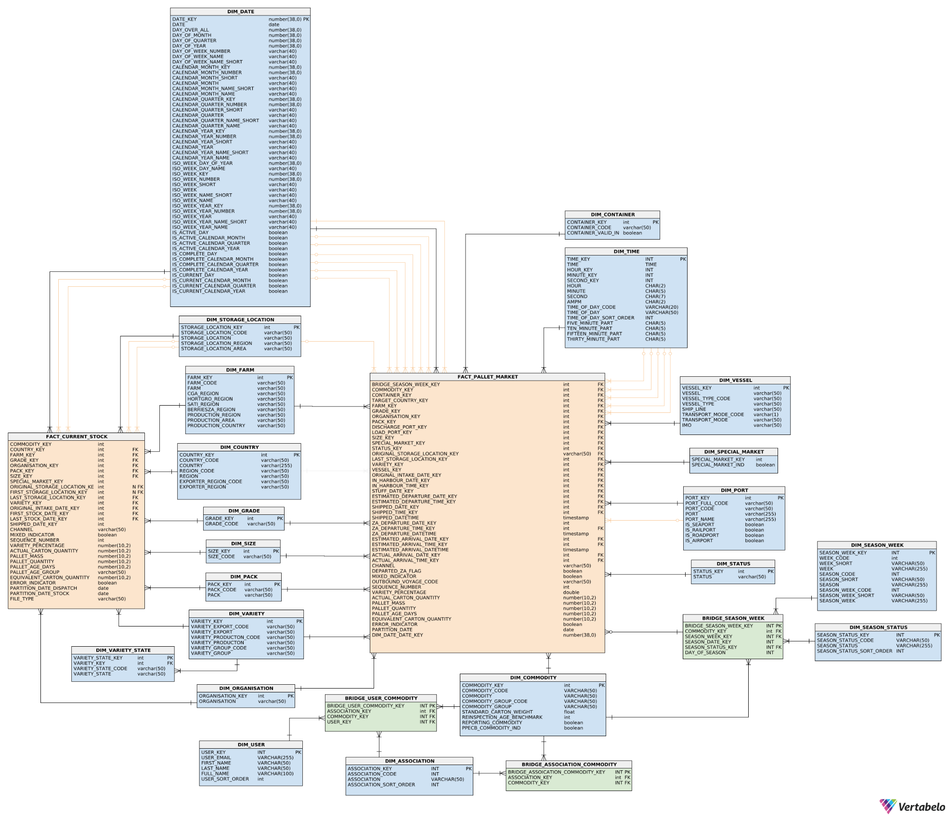
https://my.vertabelo.com/model/b8H6s7hXzyOErVT64d6uzw0Y8ndNHil9

Architecture
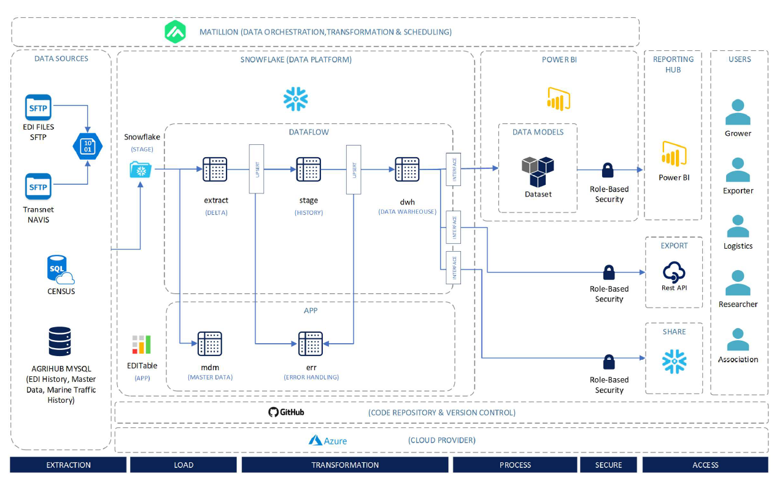

Measures
To be completed
MEASURE_NAME | DESCRIPTION | EXPRESSION | MEASUREGROUP_NAME | MEASURE_DISPLAY_FOLDER

